Calculations
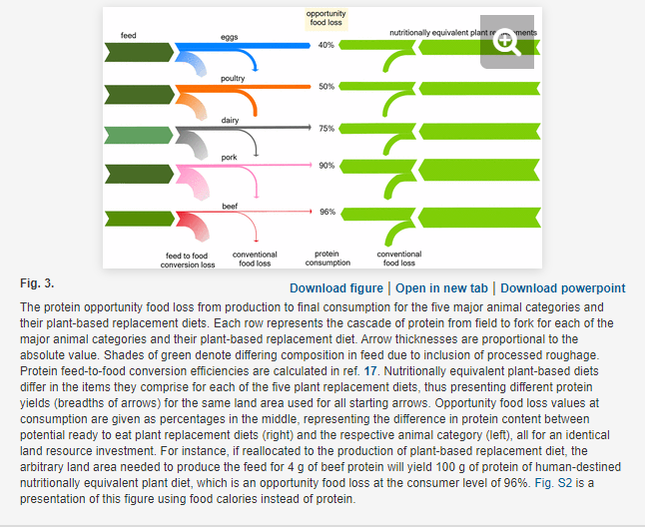
Product | Opportunity food loss (%) | Calculated ratio of plant-based protein output to animal protein output per land area | Pounds of animal products produced | Weighted average ratio
Eggs | 40 | 1.7 | 407000000 | 7.7196438361
Poultry | 50 | 2 | 222935131
Dairy | 75 | 4 | 8,255,844,823
Pork | 90 | 10 | 4441949000
Beef | 96 | 25 | 1407277000

